Sheet1


M/S ST Brothers |  |  |  |  | 27-Apr-23

Att: Mr. Zia Ghani
(Manager Project sales)

PURCHASE ORDER against quote Ref # 2023/FTH/41428-3/MISC

Supply of Pipes & Valves for the project (Meezan Bank Head Office)
S No. | D e s c r i p t i o n | Qty | Unit | Rate | Amount
 | Brand: GALA USA
1 | BUTTERFLY VALVE D.I 2-1/2" LEVER TYPE | 4 | Nos | 7,680 | 30,720
2 | BUTTERFLY VALVE D.I 3" LEVER TYPE | 4 | Nos | 9,220 | 36,880
3 | BUTTERFLY VALVE D.I 4" LEVER TYPE | 20 | Nos | 10,740 | 214,800
4 | STRAINER DI 2-1/2" FLANGED | 1 | Nos | 20,720 | 20,720
5 | STRAINER DI 3" FLANGED | 1 | Nos | 27,630 | 27,630
6 | STRAINER DI 4" FLANGED | 5 | Nos | 36,840 | 184,200
7 | BALANCING VALVE DI 2-1/2"Ø FLANGED | 1 | Nos | 54,650 | 54,650
8 | BALANCING VALVE DI 3" FLANGED | 1 | Nos | 70,890 | 70,890
9 | BALANCING VALVE DI 4" FLANGED | 5 | Nos | 87,490 | 437,450
 | Brand: TROX CHINA |  |  |  |  |  | fakhri | saeed
10 | M.S. SEAMLESS PIPE SCH-40 SIZE 2-1/2"Ø | 60 | RFt | 1,481 | 88,860 | 118 | 1,363 | 1,075
11 | M.S. SEAMLESS PIPE SCH-40 SIZE 3"Ø | 100 | RFt | 1,947 | 194,700 | 156 | 1,791
12 | M.S. SEAMLESS PIPE SCH-40 SIZE 4"Ø | 280 | RFt | 2,575 | 721,000 | 206 | 2,369
13 | M.S. SEAMLESS PIPE SCH-40 SIZE 5"Ø |  | RFt | 3,489 | 0 | 279 | 3,210 | 2,540
14 | M.S. SEAMLESS PIPE SCH-40 SIZE 6"Ø |  | RFt | 4,771 | 0 | 382 | 4,389 | 3,370
15 | M.S. SEAMLESS PIPE SCH-40 SIZE 8"Ø | 200 | RFt | 7,390 | 1,478,000 | 591 | 6,799 | 5,300
 | Brand: PAL UAE
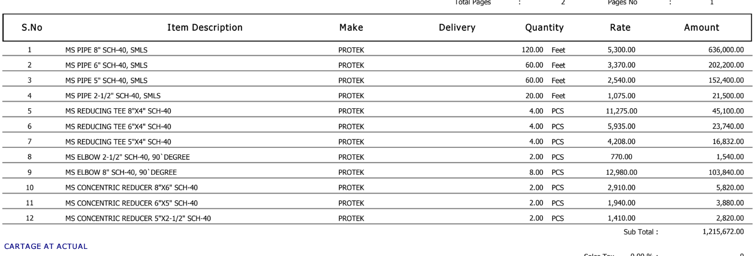
16 | PRE-INSULATED ALUMINIUM DUCT SHEET 20MM THICK/DENSITY 52KG/M3 WITH STANDARD ACCESSORIES INVISIBLE FLANGE JOINT 20MM IN PVC 3,520 Mtr H BAYONET 20MM×4 MTR IN POLYMER 1,852 Mtr COVERING ANGLE 20MM IN POLYMER 4,167 Nos ZINE COATED STEEL ANGLE BRACKET 20MM 5,556 Nos U SECTION BAR 20MM IN ALUMINIUM 372 Mtr CHAIR SECTION BAR 20MM×4 MTR IN ALUMINIUM 372 Mtr F SECTION BAR 20MM×4 MTR IN ALUMINIUM 372 Mtr PAINT GLUE L 15KG 417 Kg ALUMINIUM FOIL TAPE SIZE 2"Ø 22YARDS 694 Nos SILICON TUBE 417 Nos | 49816 | Sqft | 325 | 16,190,200
 | Brand: WEISS USA
17 | IND THERMOMETER STRAIGHT 30-240 F&C FIG # TL5S2 WITH BRASSWELL | 14 | Nos | 5,500 | 77,000
18 | S.S PRESSURE GUAGE 0-100 PSI OIL FILLED WITH GAUGE COCK AND SYPHON | 14 | Nos | 8,235 | 115,290
 |  | TOTAL: |  |  | 19,942,990
Discount 8% |  |  |  |  | 1,595,439
Total amount |  |  |  |  | 18,347,551

Terms & Conditions
1) Price is lock for above material.
2) 50% advacnce & balance before delivery or option-2 Balance material against balance material delivered against 30 to 40 days PDC.

3) 5 Lacs old outstanding amount will be settelled.
4) GST Invoice will be provided by S.T Brothers

Note: Above PO is subject to approval from the consultant.

 | Advance Payment Given on dated 11 May 23 through Bank Al Falah Cheque # 45591977 |  |  |  | 5,000,000

 |  | Received by Mr. Zia Ghani
 |  | Signature
 |  | Date
for PIONEER ENGINEERING SERVICES

